Cover_sheet

Section 70 Metrology, Local Weights and Measures Authority returns, Great Britain, 2021-22
This workbook presents the information returned by Local Weights and Measures Authorities covering their work under Section 70 of the Weights & Measures Act 1985 for 2021-22. | 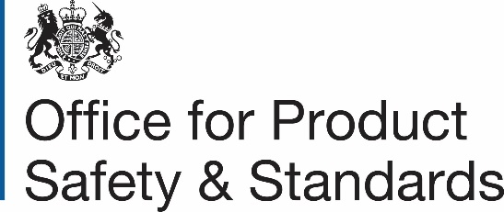
Contents
After this Cover sheet this workbook contains the data which are presented in the form of one sheet for 2021-22.
Publication dates
Publication date: 13 October 2022
Next update: Autumn 2023
Missing data
Some cells have no data. When this is the case '[no data]' is displayed.
Contact details
Responsible statistician: Deborah Lader
opssanalysis@beis.gov.uk
newsdesk@beis.gov.uk

